Hoja1
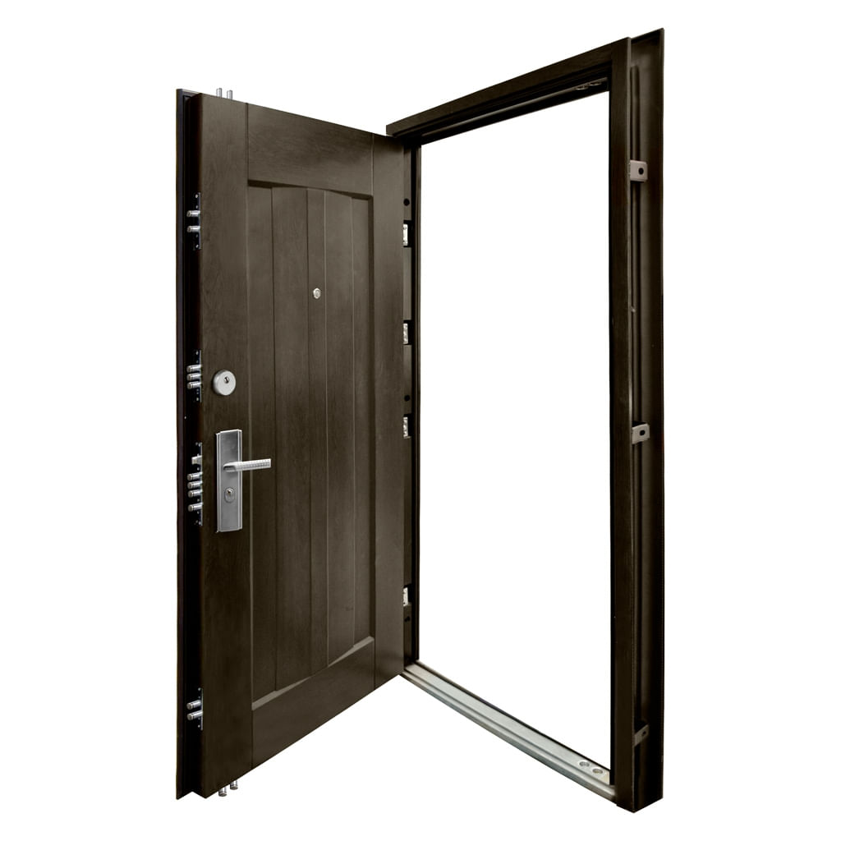

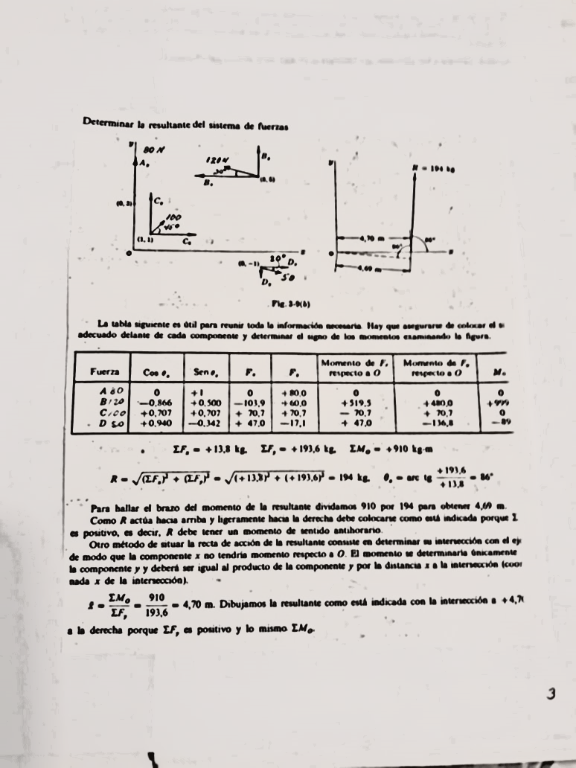
5 | 18.6 | N | -38.1 |  |  | -18.6 | -18.624325988
 |  |  |  | Mo | -56.724325988 | N*M | By | Bx
 |  |  |  |  | -3.0496949456 | M | 3.1513514438 | -11.344865198

 |  |  |  |  |  |  |  |  | i | j
 |  |  |  |  |  |  |  |  | 70.710678119 | 70.710678119 | 0
 |  |  |  |  |  |  |  |  | 1 | 1 | 0

 |  |  |  | 4.7
 |  |  |  | 65.942028986

